Eye-tracking details
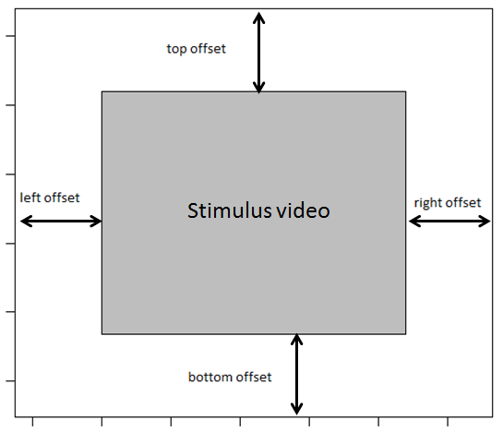
Technical details eye-tracking setup - Example

Lab name | koku-hamburg
Eye-tracking system | Tobii Pro X3-120

Screen resolution in pixels
Width | 1920
Height | 1200
Screen dimensions in mm
Width | 518
Height | 325
Distance at which the infant was seated from the screen in mm
distance | 620
Samplerate of the eye-tracker in Hz
samplerate | 120

Variable names
Please specify the names of the variables in the raw eye-tracking data file that refer to the:

Participant ID | RecordingName |  |  | video size: | 1920x1080 | including black bars on the left (220px) and right (220px)
Stimuli | MediaName |  |  |  |  | correct AOIs
Trial | PresentationSequence |  | Order |  |  |  | Face AOI
 |  |  |  |  |  |  | X1 | 715
AOI information |  |  |  |  |  |  | X2
Please specify where the stimulus video was located on the screen, see figure |  |  |  |  |  |  | Y1 | 129
 |  |  |  |  |  |  | Y2
left offset in pixels | 0 |  |  |  |  |  | Width | 493
right offset in pixels | 0 |  |  |  |  |  | Height | 660
top offset in pixels | 60
bottom offset in pixels | 60 |  |  |  |  |  | Left Object AOI
 |  |  |  |  |  |  | X1 | 300
Was the stimulus video presented as described in this document: |  |  |  |  |  |  | X2
https://docs.google.com/spreadsheets/d/1iu16TyhN314nUV3a5oGx4oHPnXf39-rzmQa4Psj7pD0/ |  |  |  |  |  |  | Y1 | 593
 | no | AOIs seems to big |  |  |  |  | Y2
 |  |  |  |  |  |  | Width | 395
 |  |  |  |  |  |  | Height | 470

 |  |  |  |  |  |  | Right Object AOI
 |  |  |  |  |  |  | X1 | 1229
 |  |  |  |  |  |  | X2
 |  |  |  |  |  |  | Y1 | 593
 |  |  |  |  |  |  | Y2
 |  |  |  |  |  |  | Width | 395
 |  |  |  |  |  |  | Height | 470

